tutorial page sample
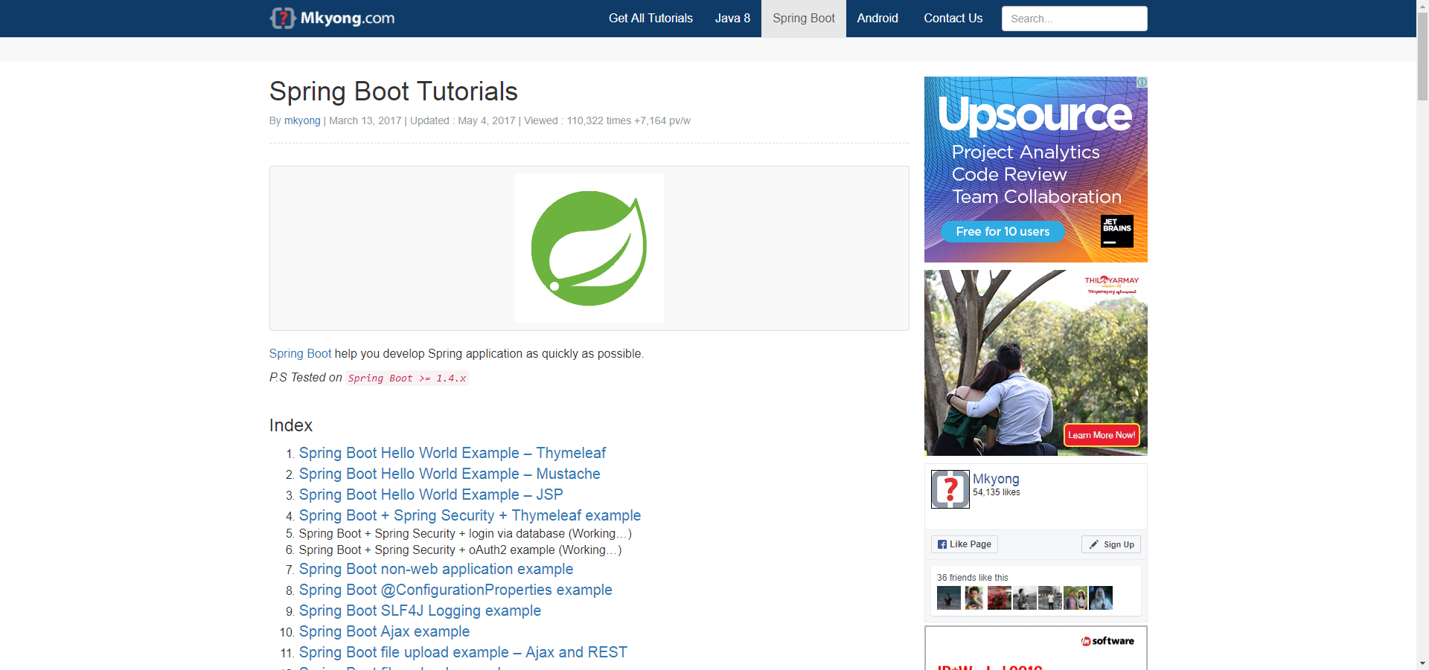

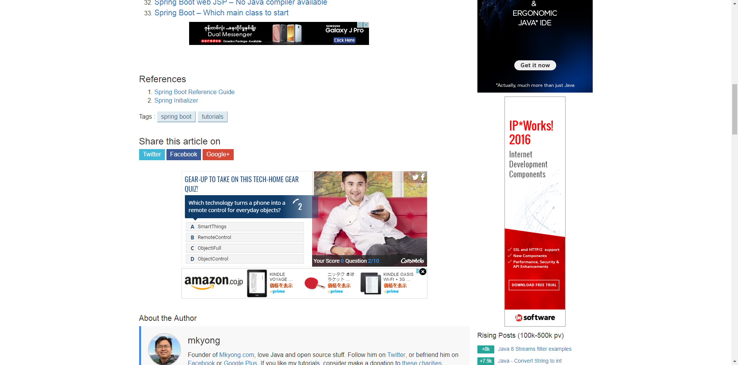

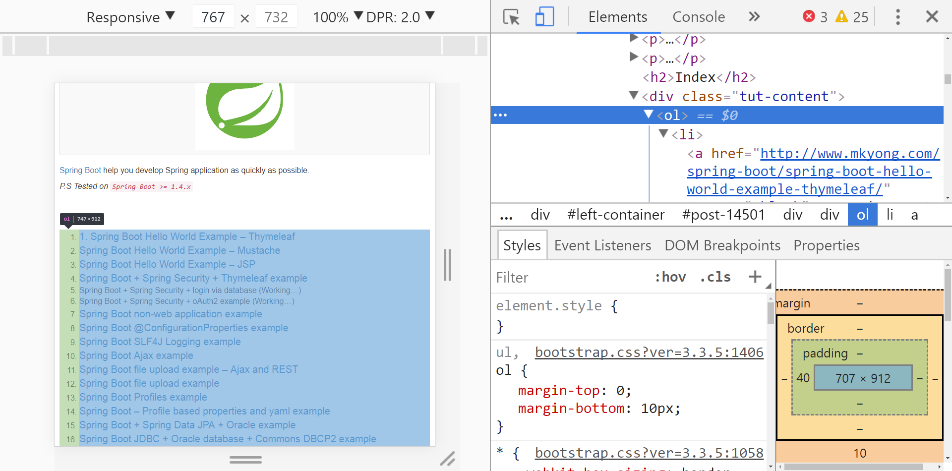

https://bootsnipp.com/snippets/MaeN9

 |  |  |  |  | 1 | A professional programmer guide to work eithc
 |  |  |  |  |  | AUGUST 17, 2017 / BY YE WIN
 |  |  |  |  | 2 | Java Encapsulation For Experienced Programmer
 |  |  |  |  |  | AUGUST 24, 2017 / BY YE WIN

<div class="container">
 |  | <div class="row" th:each="article : ${articleDashboardList}">
 |  |  | <div class="col-lg-8 col-md-10 mx-auto">
 |  |  |  | <div class="post-preview">
 |  |  |  |  | <a href="#">
 |  |  |  |  |  | <h2 class="post-title">
 |  |  |  |  |  |  | <span th:utext="${article.postTitle} "></span>
 |  |  |  |  |  | </h2>
 |  |  |  |  | </a>
 |  |  |  |  | <p class="post-meta">
 |  |  |  |  |  | <span
 |  |  |  |  |  |  | th:utext="${#dates.format(article.createdDate, 'MMMMM dd, yyyy')}" ></span>
 |  |  |  |  |  |  | BY <span th:utext="${article.adminName}" ></span>
 |  |  |  |  | </p>
 |  |  |  | </div>

 |  |  | </div>
 |  | </div>
 | </div>

